Sheet1
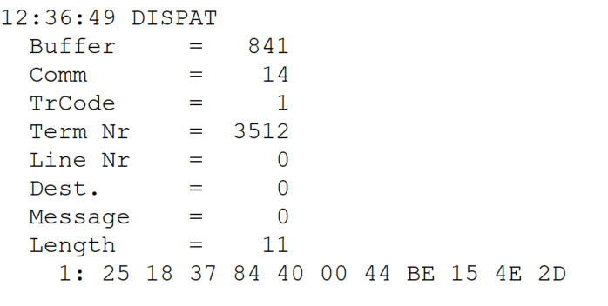
 |  |  |  |  | HEXA | BIN | DEC
TestByte |  | Size | Field Contents
Start | End
1 | 1 | 1 | Control | Sequence | 25 | Control=0010 Sequence=0101 | 2 5 | Control -> x10 - Application Message Sequence -> 5
2 | 2 | 1 | Type = 1 | Subtype = see below | 18 | Type=0001 Subtype=1000 | Type=1 Subtype=8 | Type = 1 8 = New Validation Inquiry Cash Payment Accepted
3 | 4 | 2 | Checksum |  | 37 84
5 | 5 | 1 | Statistics (see below) |  | 40 |  |  | x40 = Reader Entry
6 | 7 | 2 | Wager Julian Date |  | 00 44 |  | 68 | 31+28+9=068
8 | 10 | 3 | Wager Serial Number |  | BE 15 4E |  | 12457294 | 12457294
11 | 11 | 1 | Wager Check Digits |  | 2D |  | 45 | 45

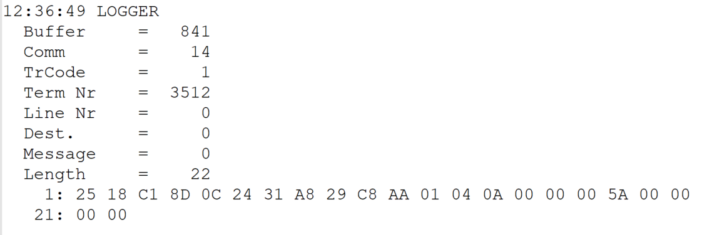
TestByte |  | Size | Field Contents
Start | End
1 | 1 | 1 | Control | Sequence | 25 | Control=0010 Sequence=0101 | 2 5 | Control -> x10 - Application Message Sequence -> 5
2 | 2 | 1 | Type = 1 | Subtype = see below | 18 | Type=0001 Subtype=1001 | Type=1 Subtype=8 | Type = 1 Subtype = 8 = New Validation Inquiry Cash Payment Accepted
3 | 4 | 2 | Checksum |  | C1 8D
5 | 7 | 3 | Time |  | 0C 24 31 |  | 12:36:49 | 12:36:49
8 | 10 | 3 | Validation Serial Number |  | A8 29 C8 |  | 11020744 | 11020744
11 | 11 | 1 | Validation Check Digits |  | AA |  | 170 | 170
12 | 12 | 1 | Game Type |  | 01 |  | 1 | LOTT - Totoloto
13 | 13 | 1 | Game Index |  | 04 |  | 4 | Quarta
14 | 14 | 1 | Validation Status |  | 0A |  | 10 | 10 = No Exchange Ticket
15 | 18 | 4 | Cash Amount (Validation Units) |  | 00 00 00 5A |  | 90 | 90 cent
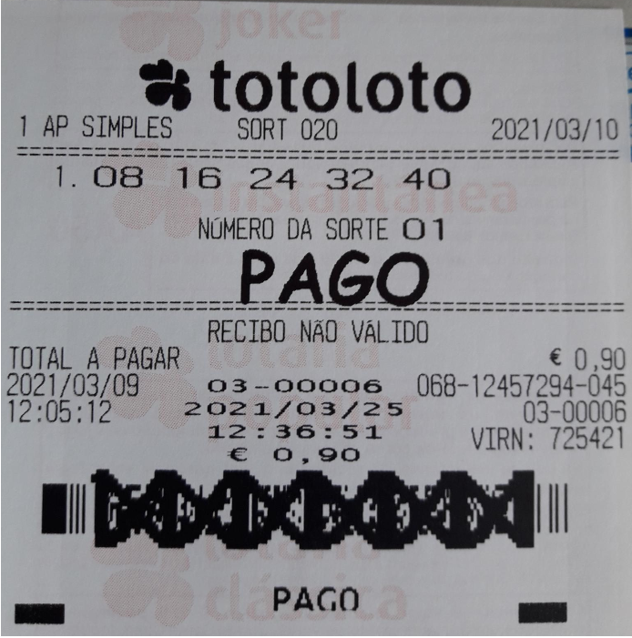
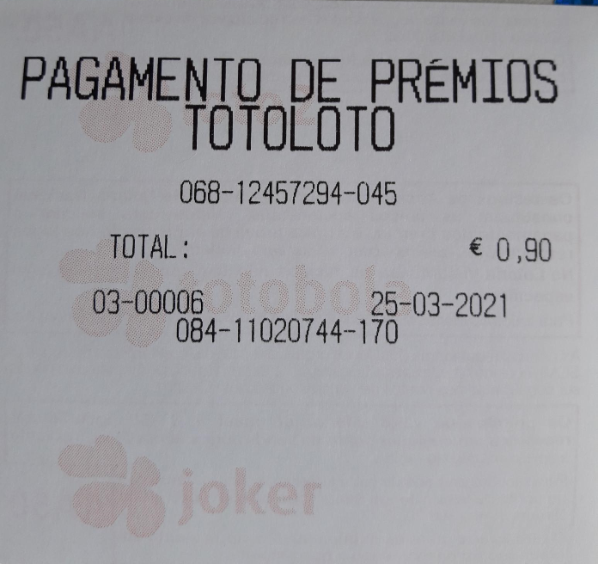
19 | 22 | 4 | Refund Amount (Validation Units) |  | 00 00 00 00 |  | 0 | 0

